1. Title Page
[Instacart Customer Analysis and Insights ]

Project Name: Instacart Customer Analysis and Insights
Date: 16.03.2024
Analyst Name: Usha Bharati Telikicherla

Contents:
Population Flow
Consistency checks
Wrangling steps
Column derivations
Visualizations
Recommendations

Citations:
The Instacart Online Grocery Shopping
Dataset 2017”, Accessed from www.instacart.com/datasets/grocery-shopping-2017
via Kaggle on 20.02.2024

* Customer dataset is fabricated for the purpose of this project.

2. Population Flow
Title page

Population flow

Exclusion flag
Condition: max_order < 5
Obervations to be removed: 1440295
Final total count of order_products_all: 32404859

Orders_products_combined
Orders_products_merged
Ords_prods_merge

Total: 32404859
Total: 32434489
Total: 32404859

3. Consistency checks
 |  |  |  | Title page
Consistency checks

Dataset | Missing values | Missing values treatment | Duplicates
orders | 206209 missing values in column- days_since_prior_order | Missing values retained as there was no need for deletion, since these were the first orders of all customers. | No duplicates found
products | 16 missing values in product_name | Filtered the missing data | Dropped the 5 duplicates found
orders_products_prior | No missing values | No missing values | No duplicates found
customers | 11259 missing values from 'first_name' column | Dropping 'first_name' column as it does not add value uniquely to the dataframe | No duplicates found

4. Wrangling steps
 |  |  |  | Title page
Wrangling steps

Columns dropped | Columns renamed | Columns' type changed | Comment/Reason
eval_set' from orders |  |  | Not required for the analysis
 | order_dow' column from orders changed to 'orders_day_of_week' |  | orders_dow' name was unintuitive
 |  | order_id' | Changed datatype to string so it wont interfere with descriptive statistics of dataset
 | These columns renamed from customers dataset : 'First Name'- 'first_name', 'Surnam'- 'surname', 'STATE'- 'state', 'date_joined'- 'join_date', 'n_dependants'- 'count_of_dependants', 'fam_status'-'family_status' |  | As some were inconsistent and some were obscure
'first_name' from customer |  |  | Dropping 'first_name' column as it does not add value uniquely to the dataframe
 |  | user_id from customers changed to int64 | To make it similar with datatype of 'user_id from 'ords_prods_merge_derived for merging both datasets

5. Column derivations
 |  |  |  | Title page

Column derivations and aggregations

In this tab you should add tables below that the frequences of flags/label variables that you produced after deriving them. NB: don't do this for continuous variables, only for flags.
Dataset | New column | Column/s it was derived from | Conditions
ords_prods_merge | price_range_loc | prices | price > 15, high-range; 5 < price <=15, mid-range; price >=5, low-range
ords_prods_merge | busiest_day | orders_day_of_week | for value in ords_prods_merge["orders_day_of_week"]: if value == 0: result.append("Busiest day") elif value == 4: result.append("Least busy") else: result.append("Regularly busy")
ords_prods_merge | busiest_days | orders_day_of_week | for value in ords_prods_merge["orders_day_of_week"]: if value == 0 or value == 1: result_1.append("Busiest days") elif value == 4 or value == 3: result_1.append("Slowest days") else: result_1.append("Regularly busy")
ords_prods_merge | busiest_period_of_day | order_hour_of_day | for value in ords_prods_merge["order_hour_of_day"]: if value in [10,11,12,13,14,15]: result_3.append("Most Orders") elif value in [2,3,4,5]: result_3.append("Fewest Orders") else: result_3.append("Average Orders")
ords_prods_merge | loyalty_flag | user_id, order_number, max_order | ords_prods_merge.loc[ords_prods_merge['max_order'] > 40, 'loyalty_flag'] = 'Loyal customer' ords_prods_merge.loc[(ords_prods_merge['max_order'] <= 40) & (ords_prods_merge['max_order'] > 10), 'loyalty_flag'] = 'Regular customer' ords_prods_merge.loc[ords_prods_merge['max_order'] <= 10, 'loyalty_flag'] = 'New customer'
ords_prods_merge | frequency_flag | median_days_since_prior_order | ords_prods_merge.loc[ords_prods_merge['median_days_since_prior_order'] > 20, 'frequency_flag'] = 'Non-frequent customer' ords_prods_merge.loc[(ords_prods_merge['median_days_since_prior_order'] <= 20) & (ords_prods_merge['median_days_since_prior_order'] > 10), 'frequency_flag'] = 'Regular customer' ords_prods_merge.loc[ords_prods_merge['median_days_since_prior_order'] <= 10, 'frequency_flag'] = 'Frequent customer'
ords_prods_merge | spending_flag | prices | ords_prods_merge_derived.loc[ords_prods_merge_derived['average_spending']<10,'spending_flag']= 'Low spender' ords_prods_merge_derived.loc[ords_prods_merge_derived['average_spending']>=10,'spending_flag']= 'High spender'

6. Visualizations
 |  |  |  |  | Title page

Visualisations

In this tab you should include all the visualtions from Exercises 4.9 and 4.10, alongside the questions from the project brief that they answer. Include any commentary on the relationship between different variables.

 |  |  | 1. Busiest days of week and busiest hours of day


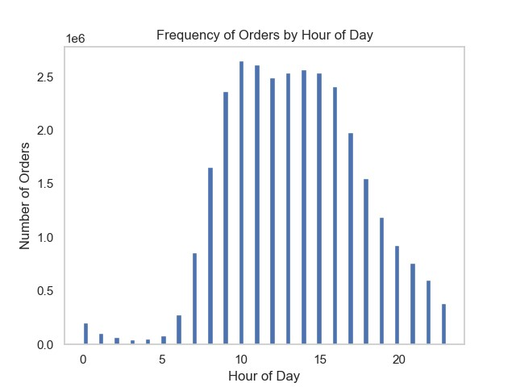

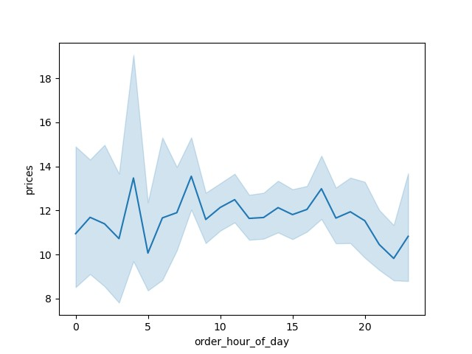
 |  |  | 2. Particular times of the day when people spend the most money

 |  |  |  | 3. Products with Price Range groupings
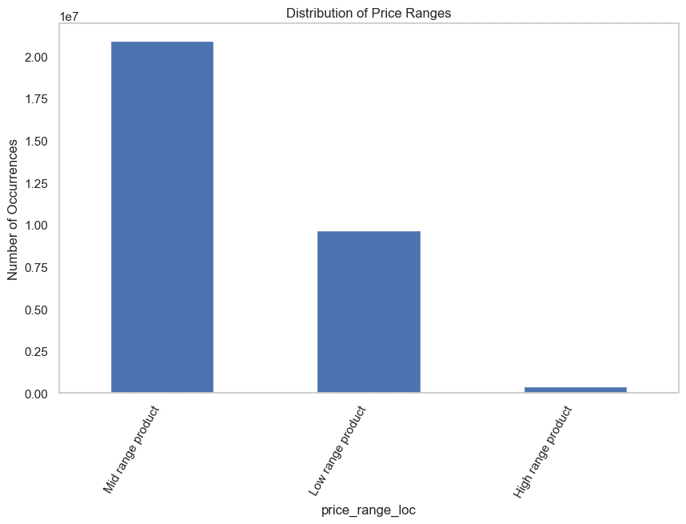

 |  |  | 4. Departments have the highest frequency of product orders

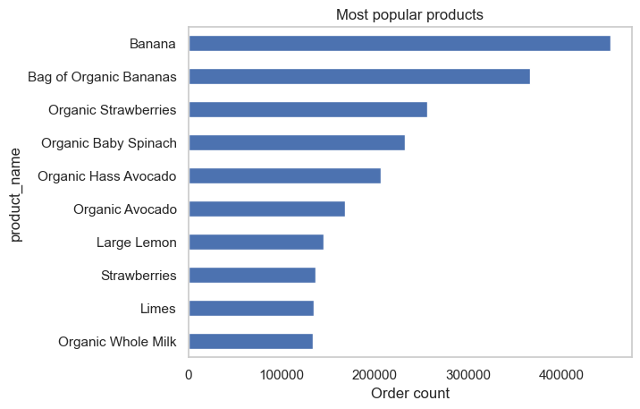
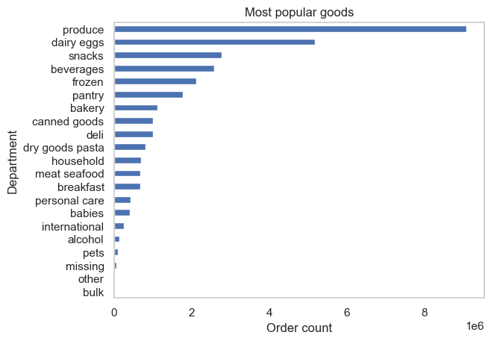

 |  |  | 5. Ordering behaviour of different customers

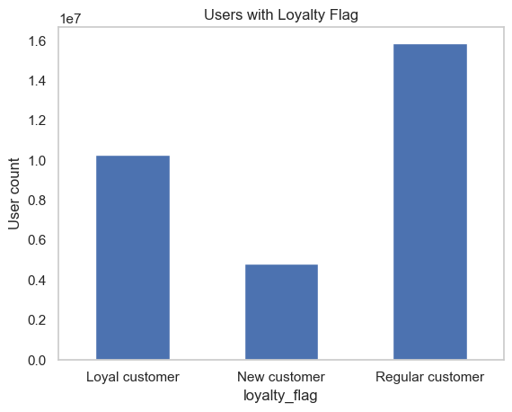

 |  |  | 6.Ordering habits based on Customer Loyalty
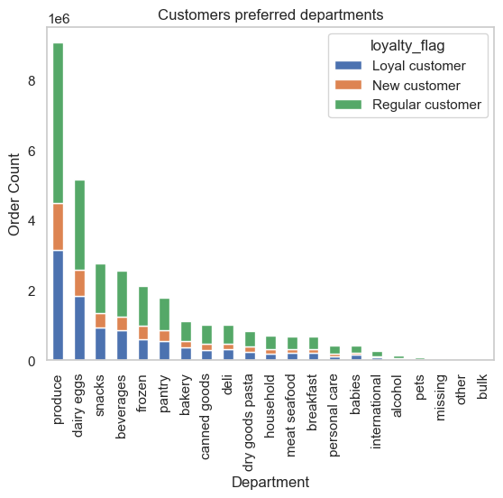
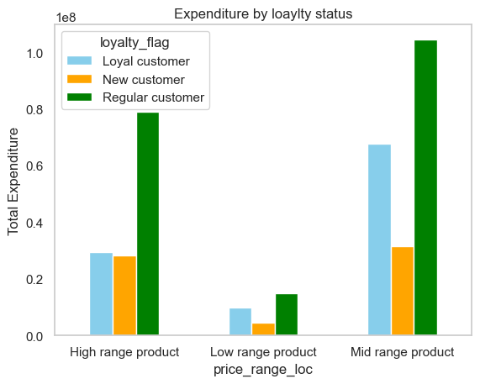

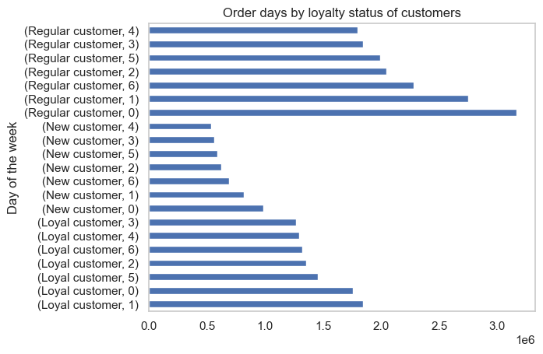

 |  |  | 7. Ordering habits based on Customer Region
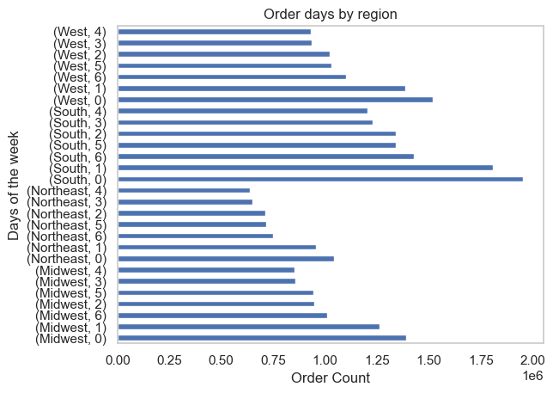
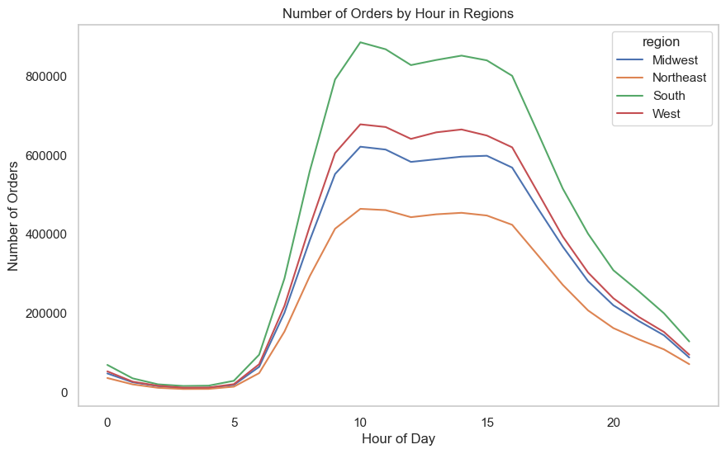

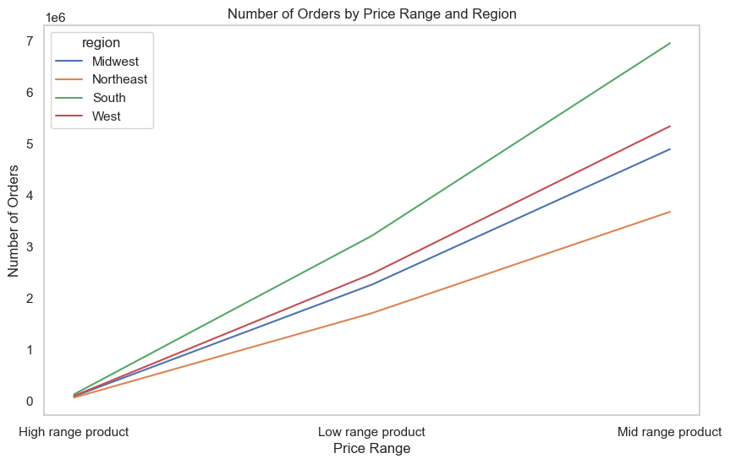
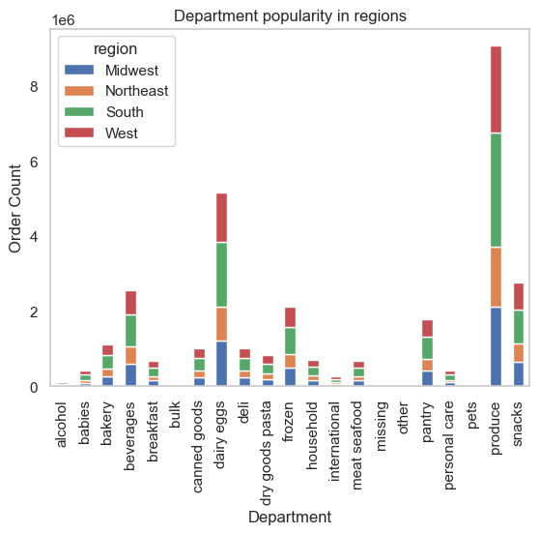

 |  |  | 8. Ordering habits based on Age and Family Status
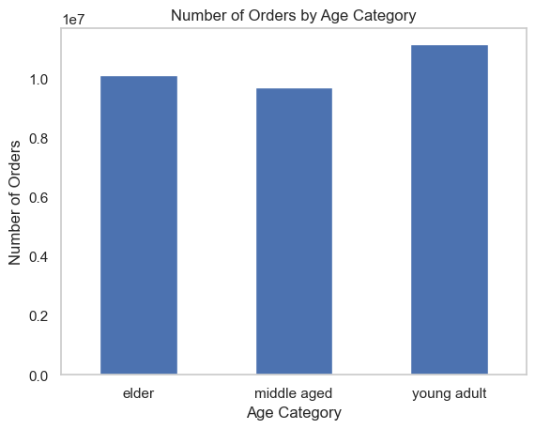
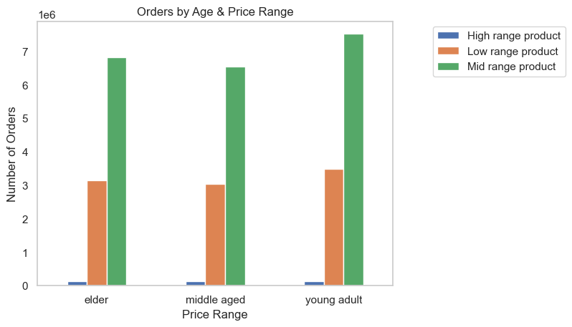

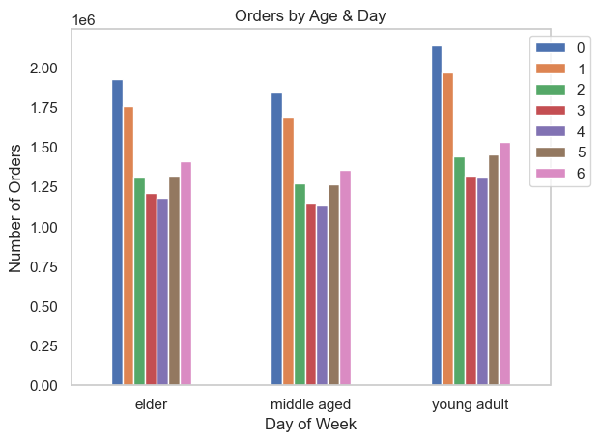

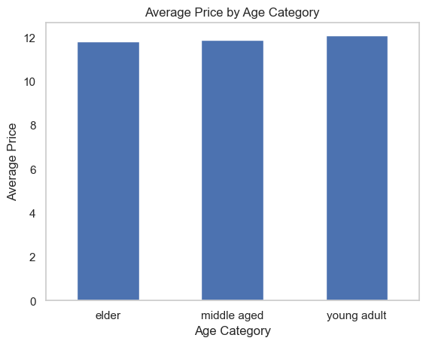

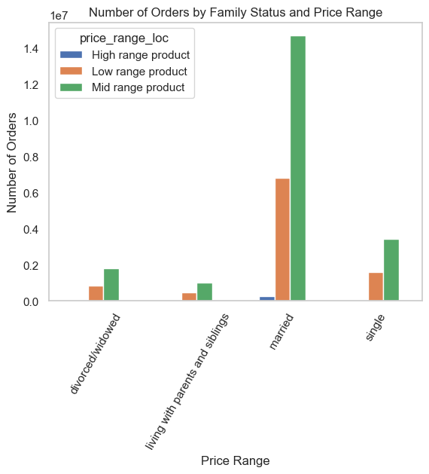

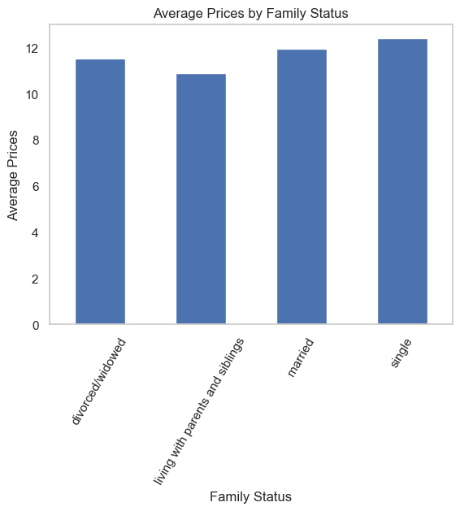

 |  |  | 9.Ordering Habits by Income
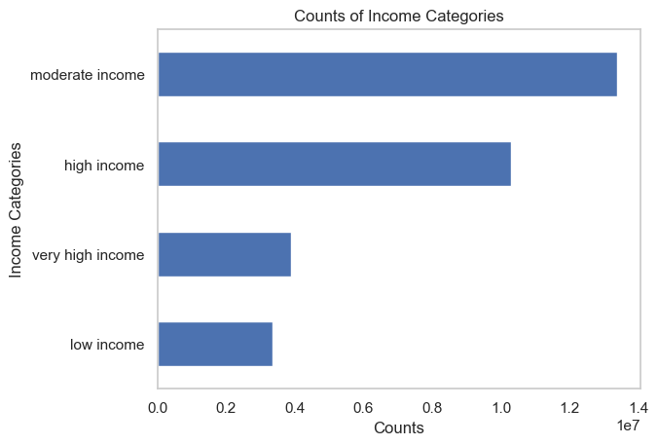
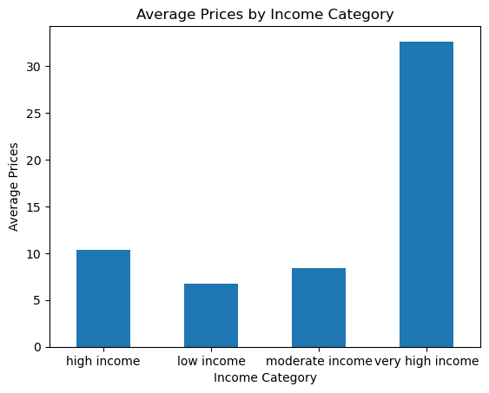



 |  |  | 10. Customer Profile Distribution based on Age, Income and Number of Dependents
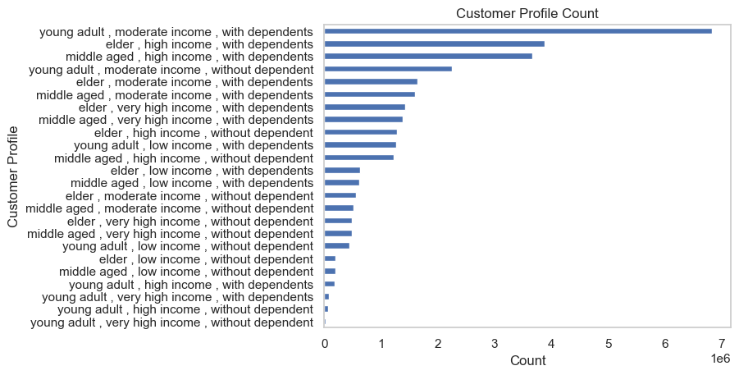
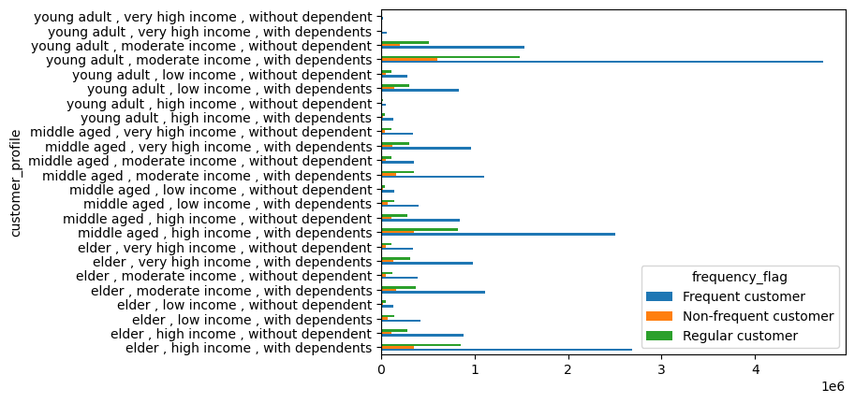

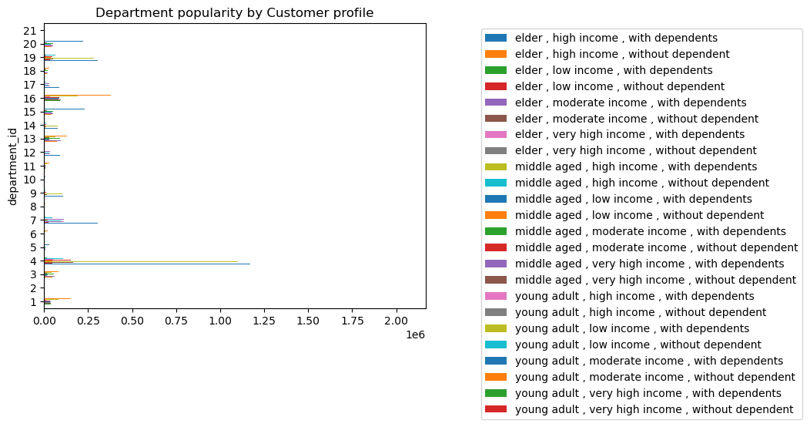

 |  | 11. Customer Profiling with certain goods in department_id column

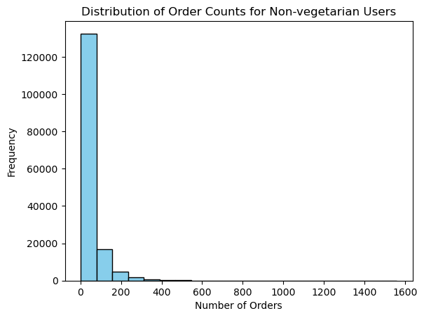
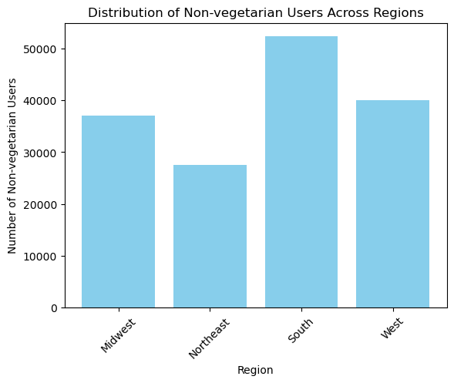

* non_veg_departments = ['meat seafood', 'dairy eggs', 'deli','alcohol']
Those customers who have purchased from the above mentioned departments are placed in non_veg_user category.

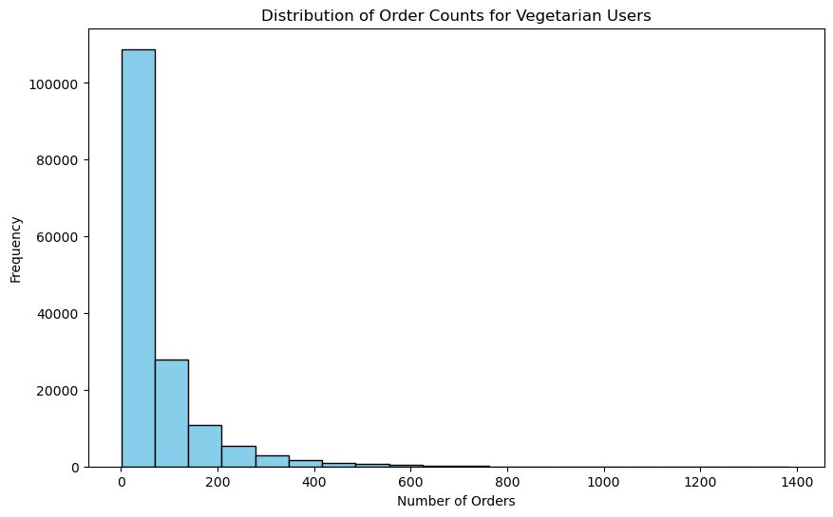

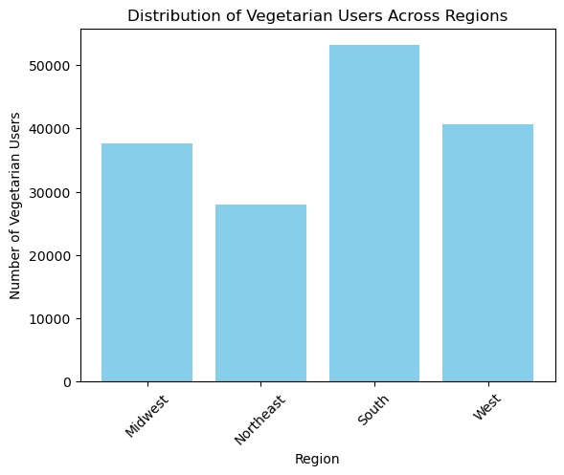

 | *veg_departments= ['produce', 'dry goods pasta', 'pantry']
 | Those customers who have purchased from the above mentioned departments are placed in veg_user category.

7. Recommendations
 |  | Title page

Recommendations

In this tab you should include any recommendations you would made to Instcart in terms of their marketing strategy based on the questions posed in the brief. Every key question has been covered in the Tasks of the Exercises - here you need to add an item - a visualisation or table/crosstable that is showing the answer in the data, acompanied by a comment from you. Please, list the questions below and add the answer underneath.

Question | Answer
Key Question 1 | Busiest days of the week are Saturday and Sunday. Slowest days being Tuesday and Wednesday.
 | Busiest hours are from 9am till 4pm. More ads should be run during slowest time, so targeting slowest days would be beneficial.
 | Ads during slowest time that is early hours of the day may not be useful but ads after 4pm may be beneficial.

Key Question 2 | The customers tend to spend more money around 4am and 9am. So these timings can be targeted for ads.

Key Question 3 | To obtain simpler price range groupings, products with prices >15 are tagged under high range products. Products between 5 to 15 are
 | tagged as mid range products and products with value < 5 are tagged as low range products.

Key Question 4 | Departments- Prdouce, dairy eggs, snacks are highly popular. They need to be given more priority in terms of procurement and sale.

Key Question 5 | Most of the orders are by Regular customers which is followed by loyal customers. Less number of orders are from new customers.

Key Quetsion 6 | Most of the orders for mid and high range products are from regular customers. Though loyal customers also have orders from these 2 ranges
 | but regular customes orders are way more than loyal customers.
 | Regular and new customers place less orders on Wednesdays whereas loyal customers place less orders on Tuesdays.

Key Question 7 | South region seems to be a good market as more number of orders are received from here. Otherwise the purchase patterns based on time and
 | price range and department shows no significant differences across regions.

Key Question 8 | Married customers are placing most amount of orders. Expenditure by age and family status shows very less difference. All the three age groups
 | show similar purchase patterns over the period of a week.

Key Question 9 | Age-Income scatterplot gives clear picture that people above 40 years have more income and their purchase ability is more. So these groups can be
 | focused for marketing basing on region and other factors.

Key Question 10 | Basing on the price of orders, the frequency of orders, the products customers are ordering-Instacart should consider focus on
 | * young adults who has moderate income and are with dependents and * Elders with high income and dependents
 | These two groups are frequent customers with most orders.
 | And the most popular departments among customers being Produce and Dairy eggs.

